Pregunta 1 TD1
 | FIGURA 1

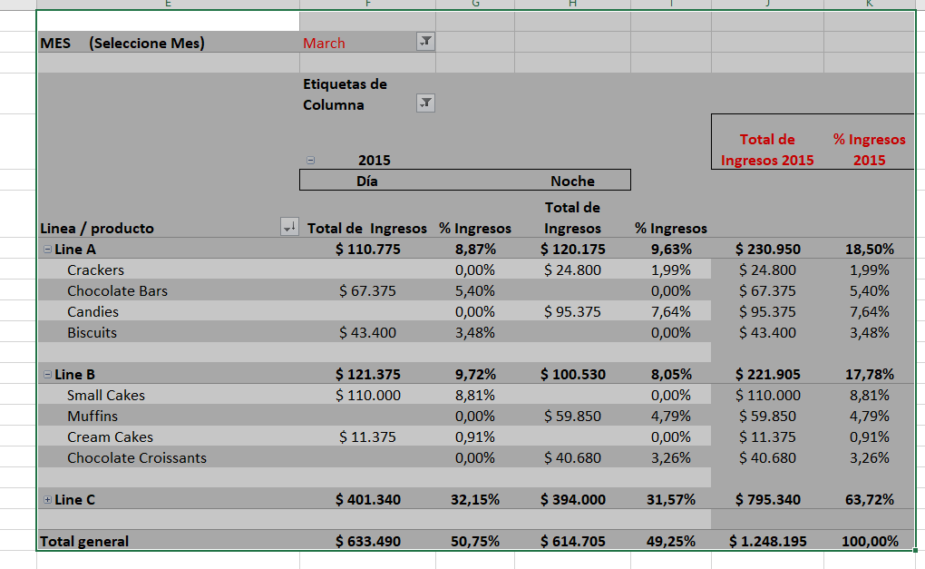

Use la Tabla T_Productos (está con Nombre, sólo usarla)

MES (Seleccione Mes) | March

 | Column Labels
 | 2015 |  |  |  | 2015 Total de Ingresos | 2015 % Ingresos
 | Día |  | Noche
Linea / producto | Total de Ingresos | % Ingresos | Total de Ingresos | % Ingresos
Line A | $ 110,775 | 8.87% | $ 120,175 | 9.63% | $ 230,950 | 18.50%
Crackers |  | 0.00% | $ 24,800 | 1.99% | $ 24,800 | 1.99%
Chocolate Bars | $ 67,375 | 5.40% |  | 0.00% | $ 67,375 | 5.40%
Candies |  | 0.00% | $ 95,375 | 7.64% | $ 95,375 | 7.64%
Biscuits | $ 43,400 | 3.48% |  | 0.00% | $ 43,400 | 3.48%

Line B | $ 121,375 | 9.72% | $ 100,530 | 8.05% | $ 221,905 | 17.78%
Small Cakes | $ 110,000 | 8.81% |  | 0.00% | $ 110,000 | 8.81%
Muffins |  | 0.00% | $ 59,850 | 4.79% | $ 59,850 | 4.79%
Cream Cakes | $ 11,375 | 0.91% |  | 0.00% | $ 11,375 | 0.91%
Chocolate Croissants |  | 0.00% | $ 40,680 | 3.26% | $ 40,680 | 3.26%

Line C | $ 401,340 | 32.15% | $ 394,000 | 31.57% | $ 795,340 | 63.72%

Grand Total | $ 633,490 | 50.75% | $ 614,705 | 49.25% | $ 1,248,195 | 100.00%

Pregunta 2 TD 2
 |  | FIGURA 2

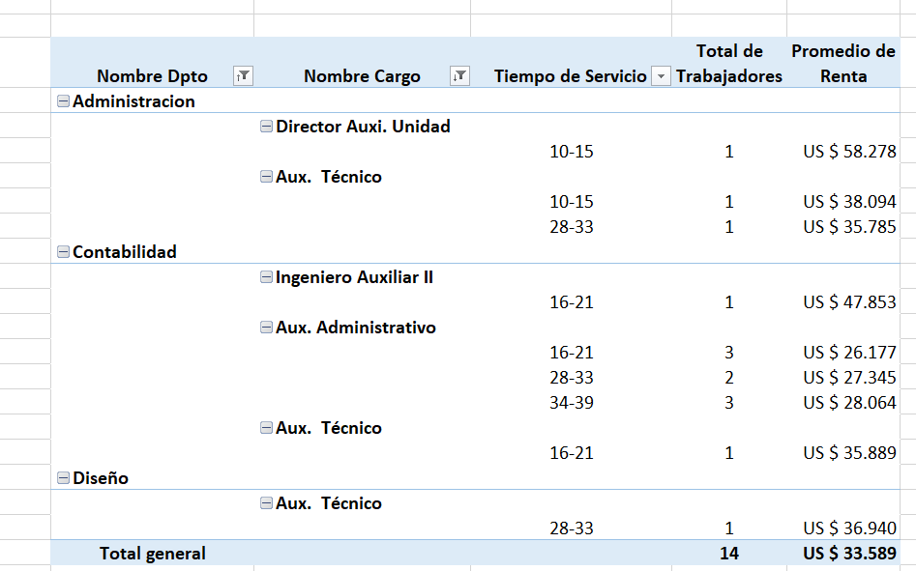

Usar Tabla T_empleados ( está lista)

Nombre Dpto | Nombre Cargo | Tiempo de Servicio | Total de Trabajadores | Average of Renta
Administracion
 | Director Auxi. Unidad
 |  | 10-15 | 1 | US $ 58,278
 | Aux. Técnico
 |  | 10-15 | 1 | US $ 38,094
 |  | 28-33 | 1 | US $ 35,785
Contabilidad
 | Ingeniero Auxiliar II
 |  | 16-21 | 1 | US $ 47,853
 | Aux. Administrativo
 |  | 16-21 | 3 | US $ 26,177
 |  | 28-33 | 2 | US $ 27,345
 |  | 34-39 | 3 | US $ 28,064
 | Aux. Técnico
 |  | 16-21 | 1 | US $ 35,889
Diseño
 | Aux. Técnico
 |  | 28-33 | 1 | US $ 36,940
Grand Total |  |  | 14 | US $ 33,589

